Asics
Photo | SKU | Colour Code | Description | Colour Description | Gender | WHS | RRP | Total | A | 5 | 5.5 | 6 | 6.5 | 7 | 7.5 | 8 | 8.5 | 9 | 9.5 | 10 | 10.5 | 11 | 11.5 | 12 | 12.5 | 13
 |  |  |  |  |  |  |  |  |  | 37.5 | 38 | 39 | 39.5 | 40 | 40.5 | 41.5 | 42 | 42.5 | 43.5 | 44 | 44.5 | 45 | 46 | 46.5 | 47 | 48
 |  |  |  |  |  |  |  |  | B | 5 | 5.5 | 6 | 6.5 | 7 | 7.5 | 8 | 8.5 | 9 | 9.5 | 10 | 10.5 | 11 | 11.5 | 12 | 12.5 | 13
 |  |  |  |  |  |  |  |  |  | 35.5 | 36 | 37 | 37.5 | 38 | 39 | 39.5 | 40 | 40.5 | 41.5 | 42 | 42.5 | 43.5 | 44 | 44.5 | 45 | 46
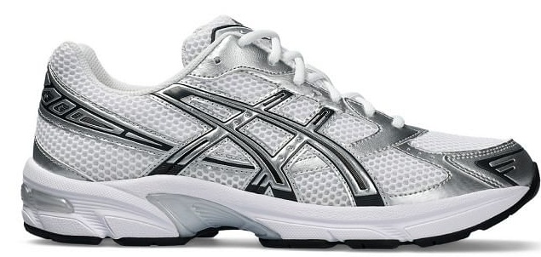 | 1201B020 | 100 | GEL-1130 | WHITE/PURE SILVER | UNISEX | 50.00 € | 100.00 € | 9 | A |  |  | 1 | 1 | 1 | 1 | 1 | 1 | 1 | 1 |  |  |  |  |  | 1
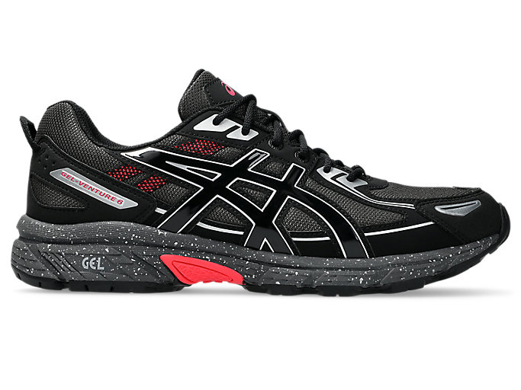 | 1203A438 | 027 | GEL-VENTURE 6 | OBSIDIAN GREY/BLACK | UNISEX | 50.00 € | 100.00 € | 60 | A |  | 1 | 2 | 4 | 6 | 6 | 8 | 8 | 8 | 6 | 4 | 4 | 2 | 1
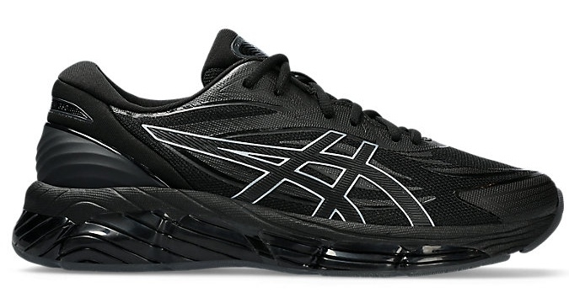 | 1203A305 | 001 | GEL-QUANTUM 360 VIII | BLACK/BLACK | UNISEX | 90.00 € | 180.00 € | 73 | A |  | 1 | 2 | 6 | 9 | 9 | 9 | 9 | 9 | 9 | 6 | 3 | 1
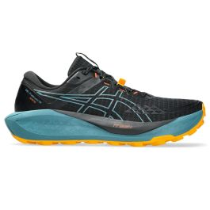 | 1011B978 | 003 | GEL-TRABUCO 13 GTX | BLACK/WHISPER GREEN | MEN | 85.00 € | 170.00 € | 150 | A |  |  |  |  |  |  |  | 15 | 15 | 30 | 30 | 15 | 15 | 15 | 15
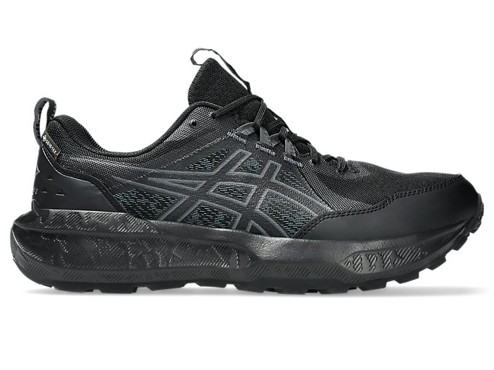 | 1011B977 | 002 | GEL-SONOMA 8 GTX | BLACK/CARRIER GREY | MEN | 60.00 € | 120.00 € | 150 | A |  |  |  |  |  |  |  | 15 | 15 | 30 | 30 | 15 | 15 | 15 | 15
 | 1011B977 | 003 | GEL-SONOMA 8 GTX | BLACK/DARK COBALT | MEN | 60.00 € | 120.00 € | 150 | A |  |  |  |  |  |  |  | 15 | 15 | 30 | 30 | 15 | 15 | 15 | 15
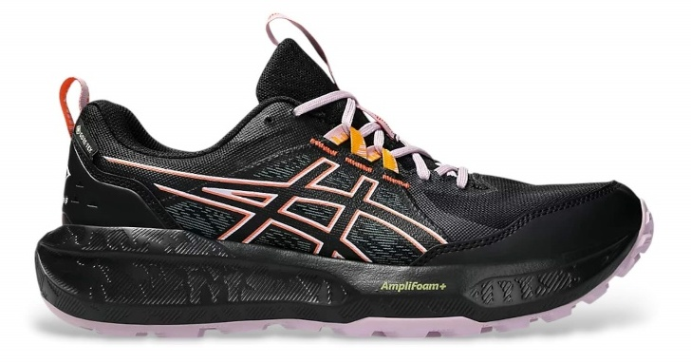 | 1012B770 | 003 | GEL-SONOMA 8 GTX | BLACK/DARK PINK CLAY | WOMEN | 60.00 € | 120.00 € | 144 | B |  |  |  |  | 24 | 24 | 24 | 24 | 24 | 24
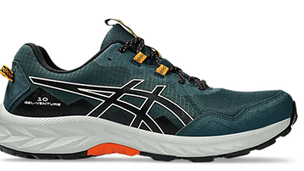 | 1011B967 | 020 | GEL-VENTURE 10 | Saxon Green/Black | MEN | 40.00 € | 80.00 € | 26 | A |  |  |  |  |  |  |  |  | 2 | 4 | 4 | 4 | 4 | 4 | 2 |  | 2
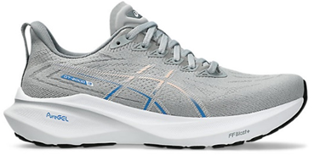 | 1012B666 | 022 | GT-2000 13 | Piedmont Grey/White | WOMEN | 80.00 € | 160.00 € | 10 | B |  |  |  | 1 | 2 | 2 | 0 | 4 | 0 | 1
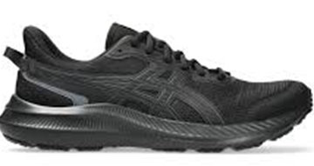 | 1011B963 | 002 | JOLT 5 | Black/Graphite Grey | MEN | 30.00 € | 60.00 € | 54 | A |  |  |  |  |  |  |  |  | 6 | 6 | 6 | 6 | 6 | 6 | 6 | 6 | 6
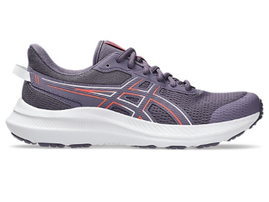 | 1011B967 | 400 | GEL-VENTURE 10 | Midnight/Black | MEN | 40.00 € | 80.00 € | 26 | A |  |  |  |  |  |  |  |  | 2 | 4 | 4 | 4 | 4 | 2 | 2 | 2 | 2
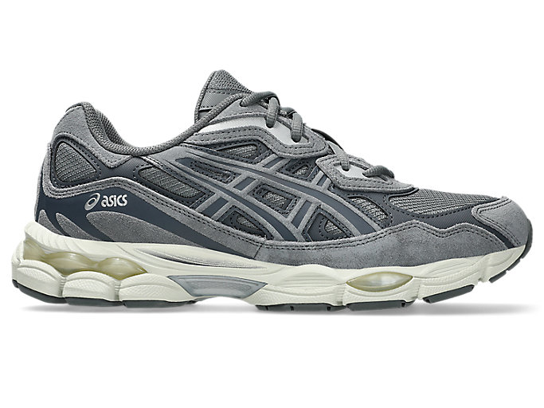 | 1203A739 | 020 | GEL-NYC | STEEL GREY/CARRIER GREY | UNISEX | 80.00 € | 160.00 € | 97 | A |  | 7 | 11 | 10 | 13 | 11 | 10 | 10 | 7 | 5 | 4 | 4 | 2 | 2 | 1
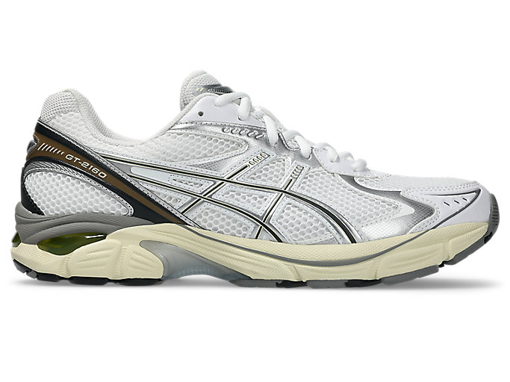 | 1203A275 | 111 | GT-2160 | WHITE/SOFT YELLOW | UNISEX | 65.00 € | 130.00 € | 95 | A |  | 3 | 5 | 2 | 8 | 6 | 7 | 15 | 13 | 15 | 11 | 5 | 3 | 2
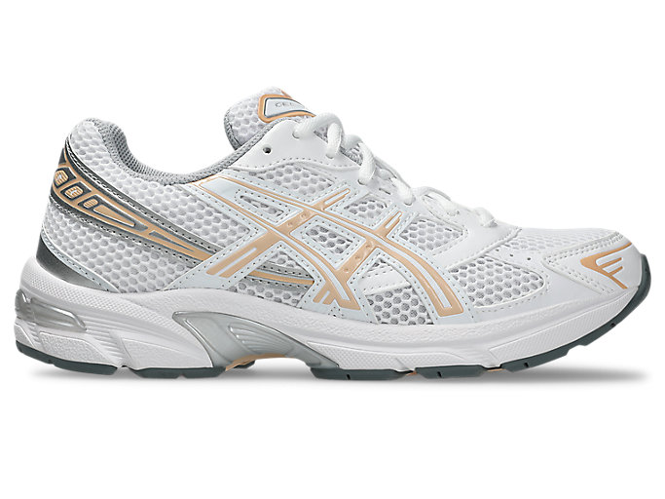 | 1202A164 | 123 | GEL-1130 | WHITE/BISQUE | WOMEN | 50.00 € | 100.00 € | 73 | B |  | 6 | 13 | 13 | 11 | 11 | 12 | 5 | 2
 |  |  |  |  |  |  |  | 1117

